CV
 |  | CURRICULUM VITAE |  |  |  | 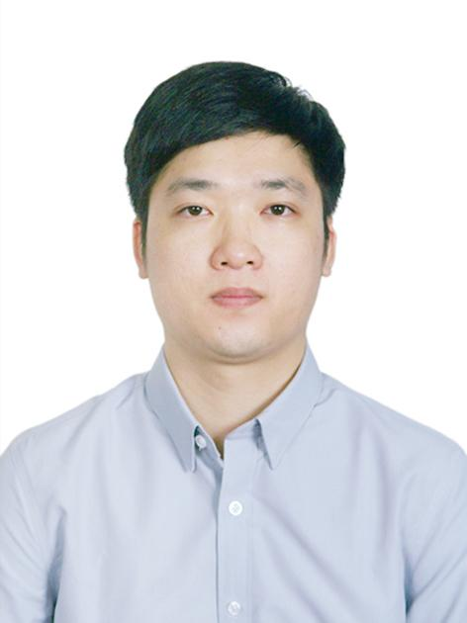

PERSONAL DETAIL
Name | Trần Nhân Tôn |  |  | Objective | My career goal is to design high-quality software that is both easy to maintain and scalable. I aspire to continuously learn and grow, aiming to become a proficient leader in the field.
National | Việt Nam
DOB | 08/03/1993
Sex | Male

EDUCATIONAL BACKGROUND
09/2011 - 09/2016 |  |  | Học viện Công nghệ Bưu chính Viễn thông Major: Công nghệ phần mềm Graduate: Average Good (Trung bình khá)

CERTIFICATION

LANGUAGE
English |  |  | An ability to deal with simple, straightforward information and begin to express oneself in familiar contexts.

TECHNICAL SKILL
Database |  |  | Database MySQL SQLite
Design Pattern/Model/Architecture |  |  | MVVM Factory MVP Builder Observer Singleton State MVC Adapter
Design Tool |  |  | Figma Zeplin Sketch Adobe XD
Development API, 3-Party, Tool |  |  | BitBucket Visual Studio Android Studio Eclipse Netbeans SonarQube Notepad++
ERP |  |  | Odoo
Framework |  |  | Android Flutter Mobile Native Android Spring
Front end |  |  | html css JavaScript
Markup Language |  |  | XML HTML
Operation System (OS) |  |  | Windows iOS Android OS MacOS
Others |  |  | Mobile
Programing Language |  |  | Java C C++ Kotlin
Project Management Tool |  |  | Trello Jira Redmine Gitlab
Stylesheet Language |  |  | CSS
Version Control |  |  | Gitlab Github

I declare that the above information is accurate.

